Reference
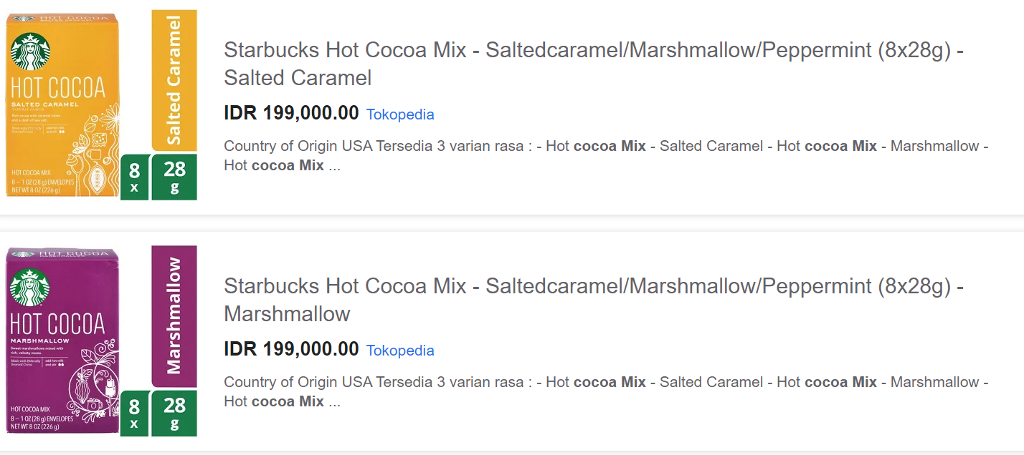
Price Comparison

Item | Vol/Weight | Satuan | Serving | HET | HET/vol (weight) | HET/serving
Starbucks Hot Cocoa Salted Caramel/Peppermint/Double Chocolate | 226 | gram | 8 | 199,000 | 881 | 24,875
Ghirardelli Hot Cocoa | 224 | gram | 8 | 170,000 | 759 | 21,250
Swiss Miss | 280 | gram | 10 | 53,000 | 189 | 5,300

 | Produk TS = | 4 |  | sachet
 | HET = | IDR 26,000 |  | per box
 | Price List = | IDR 20,800 |  | per box
 | Bulatkan | 20,000 |  | per dus

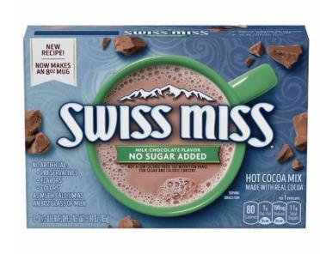

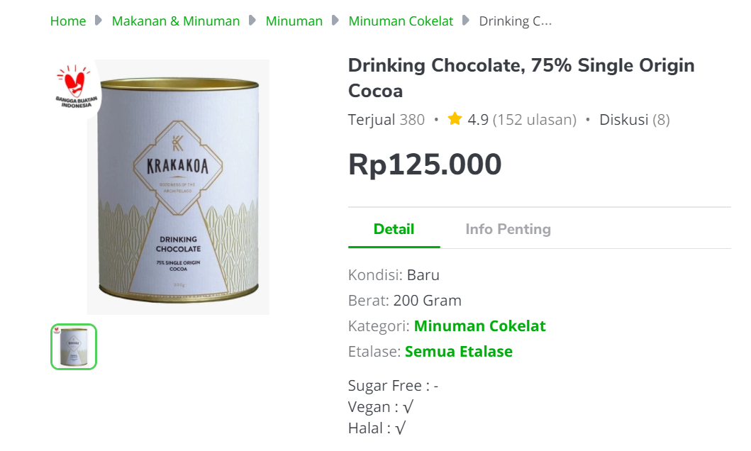

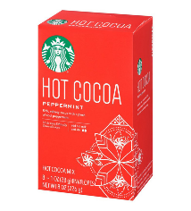
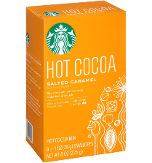
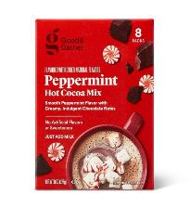
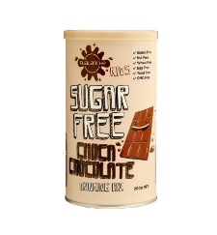

Hazelnut / Salted Caramel / Peppermint Cocoa

